Result1
A |  |  |  |  |  |  |  |  |  |  |  |  | raw data |  |  |  |  |  |  |  |  |  |  |  |  | raw data - blank |  |  |  |  |  |  |  |  |  |  |  |  |  |  |  |  |  |  | Pi amount (nmol) |  |  |  |  |  |  |  |  |  |  |  |  | Specific activity (umol/mg/min) |  |  |  |  |  |  |  |  |  |  |  |  | Average Specific activity (umol/mg/min) |  |  |  |  |  |  |  |  |  |  |  |  |  | % Activity |  |  |  |  |  |  |  |  |  |  |  |  | Average % activity |  |  |  |  |  |  |  |  |  |  |  |  | % of inhibition |  |  |  |  |  |  |  |  |  |  |  |  |  | Average % of inhibition |  |  |  |  |  |  |  |  |  |  |  |  | Standard deviation
 | 1 | 2 | 3 | 4 | 5 | 6 | 7 | 8 | 9 | 10 | 11 | 12 |  | 1 | 2 | 3 | 4 | 5 | 6 | 7 | 8 | 9 | 10 | 11 | 12 |  | 1 | 2 | 3 | 4 | 5 | 6 | 7 | 8 | 9 | 10 | 11 | 12 | Pi (nmol) | A1 | A2 | A3 | A4 | Average |  | 1 | 2 | 3 | 4 | 5 | 6 | 7 | 8 | 9 | 10 | 11 | 12 |  | 1 | 2 | 3 | 4 | 5 | 6 | 7 | 8 | 9 | 10 | 11 | 12 |  | 1 | 2 | 3 | 4 | 5 | 6 | 7 | 8 | 9 | 10 | 11 | 12 |  |  | 1 | 2 | 3 | 4 | 5 | 6 | 7 | 8 | 9 | 10 | 11 | 12 |  | 1 | 2 | 3 | 4 | 5 | 6 | 7 | 8 | 9 | 10 | 11 | 12 |  | 1 | 2 | 3 | 4 | 5 | 6 | 7 | 8 | 9 | 10 | 11 | 12 |  |  | 1 | 2 | 3 | 4 | 5 | 6 | 7 | 8 | 9 | 10 | 11 | 12 |  | 1 | 2 | 3 | 4 | 5 | 6 | 7 | 8 | 9 | 10 | 11 | 12
A | No Pi |  |  |  | ARW-220 1000 |  |  |  | ARW-222 1000 |  |  |  | A | 0.0974 | 0.0977 | 0.0983 | 0.1025 | 0.1037 | 0.0976 | 0.0966 | 0.0976 | 0.1395 | 0.1378 | 0.1388 | 0.1384 | A | -0.001575 | -0.001275 | -0.000675 | 0.003525 | 0.004725 | -0.001375 | -0.002375 | -0.001375 | 0.040525 | 0.038825 | 0.039825 | 0.039425 | 0 | -0.001575 | -0.001275 | -0.000675 | 0.003525 | 0.00 | A | 0.074742268041 | 0.080927835052 | 0.093298969072 | 0.17989690722 | 0.20463917526 | 0.078865979381 | 0.05824742268 | 0.078865979381 | 0.94278350515 | 0.90773195876 | 0.92835051546 | 0.92010309278 | A |  |  |  |  | 2.0463917526 | 0.78865979381 | 0.5824742268 | 0.78865979381 | 9.4278350515 | 9.0773195876 | 9.2835051546 | 9.2010309278 | A |  |  |  |  | 1.0515463918 |  |  |  | 9.2474226804 |  |  |  |  | A |  |  |  |  | 1.1125122601 | 0.42875157629 | 0.31665966092 | 0.42875157629 | 5.1254028303 | 4.9348465742 | 5.0469384896 | 5.0021017234 | A |  |  |  |  | 0.57166876839 |  |  |  | 5.0273224044 |  |  |  | A |  |  |  |  | 98.88748774 | 99.571248424 | 99.683340339 | 99.571248424 | 94.87459717 | 95.065153426 | 94.95306151 | 94.997898277 |  | A |  |  |  |  | 99.428331232 |  |  |  | 94.972677596 |  |  |  | A |  |  |  |  | 0.36441367289 |  |  |  | 0.079984212334
B | Pi 2,5 uM |  |  |  | ARW-220 500 |  |  |  | ARW-222 500 |  |  |  | B | 0.2203 | 0.2173 | 0.2191 | 0.2249 | 0.0994 | 0.0979 | 0.0965 | 0.1011 | 0.1671 | 0.1658 | 0.164 | 0.1602 | B | 0.121325 | 0.118325 | 0.120125 | 0.125925 | 0.000425 | -0.001075 | -0.002475 | 0.002125 | 0.068125 | 0.066825 | 0.065025 | 0.061225 | 2.5 | 0.121325 | 0.118325 | 0.120125 | 0.125925 | 0.12 | B | 2.6087628866 | 2.5469072165 | 2.5840206186 | 2.7036082474 | 0.11597938144 | 0.085051546392 | 0.05618556701 | 0.15103092784 | 1.5118556701 | 1.4850515464 | 1.4479381443 | 1.3695876289 | B |  |  |  |  | 1.1597938144 | 0.85051546392 | 0.5618556701 | 1.5103092784 | 15.118556701 | 14.850515464 | 14.479381443 | 13.695876289 | B |  |  |  |  | 1.0206185567 |  |  |  | 14.536082474 |  |  |  |  | B |  |  |  |  | 0.63051702396 | 0.4623791509 | 0.30545046938 | 0.82107328009 | 8.2191396945 | 8.0734202046 | 7.8716547569 | 7.4457054785 | B |  |  |  |  | 0.55485498108 |  |  |  | 7.9024800336 |  |  |  | B |  |  |  |  | 99.369482976 | 99.537620849 | 99.694549531 | 99.17892672 | 91.780860305 | 91.926579795 | 92.128345243 | 92.554294522 |  | B |  |  |  |  | 99.445145019 |  |  |  | 92.097519966 |  |  |  | B |  |  |  |  | 0.22162379316 |  |  |  | 0.33619789549
C | Pi 10 uM |  |  |  | ARW-220 100 |  |  |  | ARW-222 100 |  |  |  | C | 0.6004 | 0.5788 | 0.6002 | 0.5887 | 0.1255 | 0.1361 | 0.1271 | 0.1249 | 0.2651 | 0.2651 | 0.2569 | 0.2542 | C | 0.501425 | 0.479825 | 0.501225 | 0.489725 | 0.026525 | 0.037125 | 0.028125 | 0.025925 | 0.166125 | 0.166125 | 0.157925 | 0.155225 | 10 | 0.501425 | 0.479825 | 0.501225 | 0.489725 | 0.49 | C | 10.445876289 | 10.000515464 | 10.441752577 | 10.204639175 | 0.65412371134 | 0.87268041237 | 0.68711340206 | 0.64175257732 | 3.5324742268 | 3.5324742268 | 3.3634020619 | 3.3077319588 | C |  |  |  |  | 6.5412371134 | 8.7268041237 | 6.8711340206 | 6.4175257732 | 35.324742268 | 35.324742268 | 33.634020619 | 33.077319588 | C |  |  |  |  | 7.1391752577 |  |  |  | 34.340206186 |  |  |  |  | C |  |  |  |  | 3.5561160151 | 4.7442903181 | 3.7354630797 | 3.4888608659 | 19.204147401 | 19.204147401 | 18.284993695 | 17.982345523 | C |  |  |  |  | 3.8811825697 |  |  |  | 18.668908505 |  |  |  | C |  |  |  |  | 96.443883985 | 95.255709682 | 96.26453692 | 96.511139134 | 80.795852599 | 80.795852599 | 81.715006305 | 82.017654477 |  | C |  |  |  |  | 96.11881743 |  |  |  | 81.331091495 |  |  |  | C |  |  |  |  | 0.58474317417 |  |  |  | 0.63026995818
D | Pi 20 uM |  |  |  | ARW-220 50 |  |  |  | ARW-222 50 |  |  |  | D | 1.0819 | 1.101 | 1.0925 | 1.0868 | 0.4006 | 0.3948 | 0.4129 | 0.3674 | 0.5439 | 0.545 | 0.5401 | 0.5234 | D | 0.982925 | 1.002025 | 0.993525 | 0.987825 | 0.301625 | 0.295825 | 0.313925 | 0.268425 | 0.444925 | 0.446025 | 0.441125 | 0.424425 | 20 | 0.982925 | 1.002025 | 0.993525 | 0.987825 | 0.99 | D | 20.37371134 | 20.767525773 | 20.592268041 | 20.474742268 | 6.3262886598 | 6.2067010309 | 6.5798969072 | 5.6417525773 | 9.2809278351 | 9.3036082474 | 9.2025773196 | 8.8582474227 | D |  |  |  |  | 63.262886598 | 62.067010309 | 65.798969072 | 56.417525773 | 92.809278351 | 93.036082474 | 92.025773196 | 88.582474227 | D |  |  |  |  | 61.886597938 |  |  |  | 91.613402062 |  |  |  |  | D |  |  |  |  | 34.392601934 | 33.742468824 | 35.771332493 | 30.671150343 | 50.455373406 | 50.578674513 | 50.029424128 | 48.157489141 | D |  |  |  |  | 33.644388398 |  |  |  | 49.805240297 |  |  |  | D |  |  |  |  | 65.607398066 | 66.257531176 | 64.228667507 | 69.328849657 | 49.544626594 | 49.421325487 | 49.970575872 | 51.842510859 |  | D |  |  |  |  | 66.355611602 |  |  |  | 50.194759703 |  |  |  | D |  |  |  |  | 2.1551085801 |  |  |  | 1.1234197506
E | TVP no inhibitor |  |  |  | ARW-220 10 |  |  |  | ARW-222 10 |  |  |  | E | 1.0392 | 1.0202 | 0.9898 | 0.8944 | 0.7856 | 0.7748 | 0.791 | 0.7418 | 0.8555 | 0.849 | 0.8501 | 0.846 | E | 0.940225 | 0.921225 | 0.890825 | 0.795425 | 0.686625 | 0.675825 | 0.692025 | 0.642825 | 0.756525 | 0.750025 | 0.751125 | 0.747025 |  |  |  |  |  |  | E | 19.493298969 | 19.101546392 | 18.474742268 | 16.507731959 | 14.26443299 | 14.041752577 | 14.375773196 | 13.361340206 | 15.705670103 | 15.571649485 | 15.594329897 | 15.509793814 | E | 194.93298969 | 191.01546392 | 184.74742268 | 165.07731959 | 142.6443299 | 140.41752577 | 143.75773196 | 133.61340206 | 157.05670103 | 155.71649485 | 155.94329897 | 155.09793814 | E | 183.94329897 |  |  |  | 140.10824742 |  |  |  | 155.95360825 |  |  |  |  | E | 105.97449909 | 103.8447527 | 100.43715847 | 89.743589744 | 77.547989351 | 76.337396665 | 78.153285694 | 72.638363458 | 85.383214236 | 84.654616786 | 84.777917893 | 84.31834104 | E | 100 |  |  |  | 76.169258792 |  |  |  | 84.783522488 |  |  |  | E | -5.9744990893 | -3.8447526972 | -0.43715846995 | 10.256410256 | 22.452010649 | 23.662603335 | 21.846714306 | 27.361636542 | 14.616785764 | 15.345383214 | 15.222082107 | 15.68165896 |  | E | -3.5527136788E-15 |  |  |  | 23.830741208 |  |  |  | 15.216477512 |  |  |  | E | 7.2079081928 |  |  |  | 2.4720270298 |  |  |  | 0.4444742451
Calibration curve
0 | -6.9388939039E-18
2.5 | 0.1167
10 | 0.497525
20 | 1.00105
F | IDP 50uM |  |  |  | ARW-220 5 |  |  |  | ARW-222 5 |  |  |  | F | 0.6495 | 0.6119 | 0.6019 | 0.5873 | 0.851 | 0.8275 | 0.8455 | 0.8169 | 0.9372 | 0.915 | 0.92 | 0.8959 | F | 0.550525 | 0.512925 | 0.502925 | 0.488325 | 0.752025 | 0.728525 | 0.746525 | 0.717925 | 0.838225 | 0.816025 | 0.821025 | 0.796925 |  |  |  |  |  |  | F | 11.458247423 | 10.682989691 | 10.476804124 | 10.175773196 | 15.612886598 | 15.128350515 | 15.499484536 | 14.909793814 | 17.390206186 | 16.932474227 | 17.03556701 | 16.538659794 | F | 114.58247423 | 106.82989691 | 104.76804124 | 101.75773196 | 156.12886598 | 151.28350515 | 154.99484536 | 149.09793814 | 173.90206186 | 169.32474227 | 170.3556701 | 165.38659794 | F | 106.98453608 |  |  |  | 152.87628866 |  |  |  | 169.74226804 |  |  |  |  | F | 62.292279669 | 58.077623651 | 56.956704498 | 55.320162533 | 84.878800617 | 82.244640605 | 84.262295082 | 81.056466302 | 94.541123721 | 92.0526832 | 92.613142777 | 89.911727617 | F | 58.161692588 |  |  |  | 83.110550652 |  |  |  | 92.279669329 |  |  |  | F | 37.707720331 | 41.922376349 | 43.043295502 | 44.679837467 | 15.121199383 | 17.755359395 | 15.737704918 | 18.943533698 | 5.4588762785 | 7.9473167998 | 7.3868572229 | 10.088272383 |  | F | 41.838307412 |  |  |  | 16.889449348 |  |  |  | 7.7203306712 |  |  |  | F | 2.9774209518 |  |  |  | 1.7722195023 |  |  |  | 1.9047354292
G | MTI61 50 uM |  |  |  | ARW-220 1 |  |  |  | ARW-222 1 |  |  |  | G | 0.2042 | 0.2303 | 0.2041 | 0.1894 | 0.9171 | 0.902 | 0.9069 | 0.9049 | 0.9464 | 0.9444 | 0.9471 | 0.9231 | G | 0.105225 | 0.131325 | 0.105125 | 0.090425 | 0.818125 | 0.803025 | 0.807925 | 0.805925 | 0.847425 | 0.845425 | 0.848125 | 0.824125 |  |  |  |  |  |  | G | 2.2768041237 | 2.8149484536 | 2.274742268 | 1.9716494845 | 16.975773196 | 16.66443299 | 16.765463918 | 16.724226804 | 17.579896907 | 17.538659794 | 17.594329897 | 17.099484536 | G | 22.768041237 | 28.149484536 | 22.74742268 | 19.716494845 | 169.75773196 | 166.6443299 | 167.65463918 | 167.24226804 | 175.79896907 | 175.38659794 | 175.94329897 | 170.99484536 | G | 23.345360825 |  |  |  | 168.01890034 |  |  |  | 174.53092784 |  |  |  |  | G | 12.377749755 | 15.303348746 | 12.366540563 | 10.718789407 | 92.288076223 | 90.5954883 | 91.144738686 | 90.920554855 | 95.572369343 | 95.348185512 | 95.650833684 | 92.960627715 | G | 12.691607118 |  |  |  | 91.342767736 |  |  |  | 94.883004063 |  |  |  | G | 87.622250245 | 84.696651254 | 87.633459437 | 89.281210593 | 7.7119237775 | 9.4045116996 | 8.8552613143 | 9.079445145 | 4.4276306571 | 4.6518144879 | 4.3491663164 | 7.0393722853 |  | G | 87.308392882 |  |  |  | 8.6572322638 |  |  |  | 5.1169959367 |  |  |  | G | 1.9076494053 |  |  |  | 0.8634958582 |  |  |  | 1.287984397
H | AKI XVII103 5uM |  |  |  | ARW-220 0.1 |  |  |  | ARW-222 0.1 |  |  |  | H | 0.3623 | 0.35 | 0.3619 | 0.347 | 0.9282 | 0.9197 | 0.9367 | 0.9343 | 0.9496 | 0.9558 | 0.9534 | 0.9387 | H | 0.263325 | 0.251025 | 0.262925 | 0.248025 | 0.829225 | 0.820725 | 0.837725 | 0.835325 | 0.850625 | 0.856825 | 0.854425 | 0.839725 |  |  |  |  |  |  | H | 5.5365979381 | 5.2829896907 | 5.5283505155 | 5.2211340206 | 17.204639175 | 17.029381443 | 17.379896907 | 17.330412371 | 17.645876289 | 17.77371134 | 17.724226804 | 17.421134021 | H | 55.365979381 | 52.829896907 | 55.283505155 | 52.211340206 | 172.04639175 | 170.29381443 | 173.79896907 | 173.30412371 | 176.45876289 | 177.7371134 | 177.24226804 | 174.21134021 | H | 53.922680412 |  |  |  | 172.36082474 |  |  |  | 176.41237113 |  |  |  |  | H | 30.099481575 | 28.720751016 | 30.054644809 | 28.38447527 | 93.532296483 | 92.579515202 | 94.485077764 | 94.216057167 | 95.931063472 | 96.626033347 | 96.35701275 | 94.709261595 | H | 29.314838167 |  |  |  | 93.703236654 |  |  |  | 95.905842791 |  |  |  | H | 69.900518425 | 71.279248984 | 69.945355191 | 71.61552473 | 6.4677035169 | 7.4204847975 | 5.5149222362 | 5.7839428331 | 4.068936528 | 3.3739666527 | 3.6429872495 | 5.2907384055 |  | H | 70.685161833 |  |  |  | 6.2967633459 |  |  |  | 4.0941572089 |  |  |  | H | 0.89097209244 |  |  |  | 0.84975110905 |  |  |  | 0.84748085766
 |  |  |  |  | RD-08 (uM) |  |  |  | RD-09 (uM)
 |  |  |  |  |  |  |  |  |  |  |  |  |  |  |  |  |  |  |  |  |  |  |  |  |  |  |  |  |  |  |  |  |  |  |  |  |  |  |  |  |  |  |  |  |  |  |  |  |  |  |  |  |  |  |  |  |  |  |  |  |  |  |  |  |  |  |  |  |  |  |  |  |  |  |  |  |  |  |  |  |  |  |  |  |  |  |  |  |  |  |  |  |  |  |  |  |  | Standard deviation
 |  |  |  |  |  |  |  |  |  |  |  |  |  |  |  |  |  |  |  |  |  |  |  |  |  |  |  |  |  |  |  |  |  |  |  |  |  |  |  |  |  |  |  |  |  |  |  |  |  |  |  |  |  |  |  |  |  |  |  |  |  |  |  |  |  |  |  |  |  |  |  |  |  |  |  |  |  |  |  |  |  |  |  |  |  |  |  |  |  |  |  |  |  |  |  |  |  |  | 1 | 2 | 3 | 4 | 5 | 6 | 7 | 8 | 9 | 10 | 11 | 12 |  |  |  |  |  |  |  |  |  |  |  |  |  | Results summary
 |  |  |  |  |  |  |  |  |  |  |  |  |  |  |  |  |  |  |  |  |  |  |  |  |  |  |  |  |  |  |  |  |  |  |  |  |  |  |  |  |  |  |  |  |  |  |  |  |  |  |  |  |  |  |  |  |  |  |  |  |  |  |  |  |  |  |  |  |  |  |  |  |  |  |  |  |  |  |  |  |  |  |  |  |  |  |  |  |  |  |  |  |  |  |  |  |  | A | #DIV/0! |  |  |  | 0.36441367289 |  |  |  | 0.079984212334 |  |  |  |  |  |  |  |  |  |  |  |  |  |  |  |  | Sample | Conc1 (uM) | Conc2 (uM) | Conc3 (uM) | Conc1 | STDEVc1 | Conc2 | STDEVc2 | Conc3 | STDEVconc3
 |  |  |  |  |  |  |  |  |  |  |  |  |  |  |  |  |  |  |  |  |  |  |  |  |  |  |  |  |  |  |  |  |  |  |  |  |  |  |  |  |  |  |  |  |  |  |  |  |  |  |  |  |  |  |  |  |  |  |  |  |  |  |  |  |  |  |  |  |  |  |  |  |  |  |  |  |  |  |  |  |  |  |  |  |  |  |  |  |  |  |  |  |  |  |  |  |  | B | #DIV/0! |  |  |  | 0.22162379316 |  |  |  | 0.33619789549 |  |  |  |  |  |  |  |  |  |  |  |  |  |  |  |  | No Inhibitor |  |  |  | 0.00 | 7.21
 |  |  |  |  |  |  |  |  |  |  |  |  |  |  |  |  |  |  |  |  |  |  |  |  |  |  |  |  |  |  |  |  |  |  |  |  |  |  |  |  |  |  |  |  |  |  |  |  |  |  |  |  |  |  |  |  |  |  |  |  |  |  |  |  |  |  |  |  |  |  |  |  |  |  |  |  |  |  |  |  |  |  |  |  |  |  |  |  |  |  |  |  |  |  |  |  |  | C | #DIV/0! |  |  |  | 0.58474317417 |  |  |  | 0.63026995818 |  |  |  |  |  |  |  |  |  |  |  |  |  |  |  |  | IDP | 50 |  |  | 41.84 | 2.98
 |  |  |  |  |  |  |  |  |  |  |  |  |  |  |  |  |  |  |  |  |  |  |  |  |  |  |  |  |  |  |  |  |  |  |  |  |  |  |  |  |  |  |  |  |  |  |  |  |  |  |  |  |  |  |  |  |  |  |  |  |  |  |  |  |  |  |  |  |  |  |  |  |  |  |  |  |  |  |  |  |  |  |  |  |  |  |  |  |  |  |  |  |  |  |  |  |  | D | #DIV/0! |  |  |  | 2.1551085801 |  |  |  | 1.1234197506 |  |  |  |  |  |  |  |  |  |  |  |  |  |  |  |  | MTI61 | 50 |  |  | 87.31 | 1.91
 |  |  |  |  |  |  |  |  |  |  |  |  |  |  |  |  |  |  |  |  |  |  |  |  |  |  |  |  |  |  |  |  |  |  |  |  |  |  |  |  |  |  |  |  |  |  |  |  |  |  |  |  |  |  |  |  |  |  |  |  |  |  |  |  |  |  |  |  |  |  |  |  |  |  |  |  |  |  |  |  |  |  |  |  |  |  |  |  |  |  |  |  |  |  |  |  |  | E | 7.2079081928 |  |  |  | 2.4720270298 |  |  |  | 0.4444742451 |  |  |  |  |  |  |  |  |  |  |  |  |  |  |  |  | AKI XVII103 | 5 |  |  | 70.69 | 0.89
 |  |  |  |  |  |  |  |  |  |  |  |  |  |  |  |  |  |  |  |  |  |  |  |  |  |  |  |  |  |  |  |  |  |  |  |  |  |  |  |  |  |  |  |  |  |  |  |  |  |  |  |  |  |  |  |  |  |  |  |  |  |  |  |  |  |  |  |  |  |  |  |  |  |  |  |  |  |  |  |  |  |  |  |  |  |  |  |  |  |  |  |  |  |  |  |  |  | F | 2.9774209518 |  |  |  | 1.7722195023 |  |  |  | 1.9047354292
 |  |  |  |  |  |  |  |  |  |  |  |  |  |  |  |  |  |  |  |  |  |  |  |  |  |  |  |  |  |  |  |  |  |  |  |  |  |  |  |  |  |  |  |  |  |  |  |  |  |  |  |  |  |  |  |  |  |  |  |  |  |  |  |  |  |  |  |  |  |  |  |  |  |  |  |  |  |  |  |  |  |  |  |  |  |  |  |  |  |  |  |  |  |  |  |  |  | G | 1.9076494053 |  |  |  | 0.73596829236 |  |  |  | 1.287984397
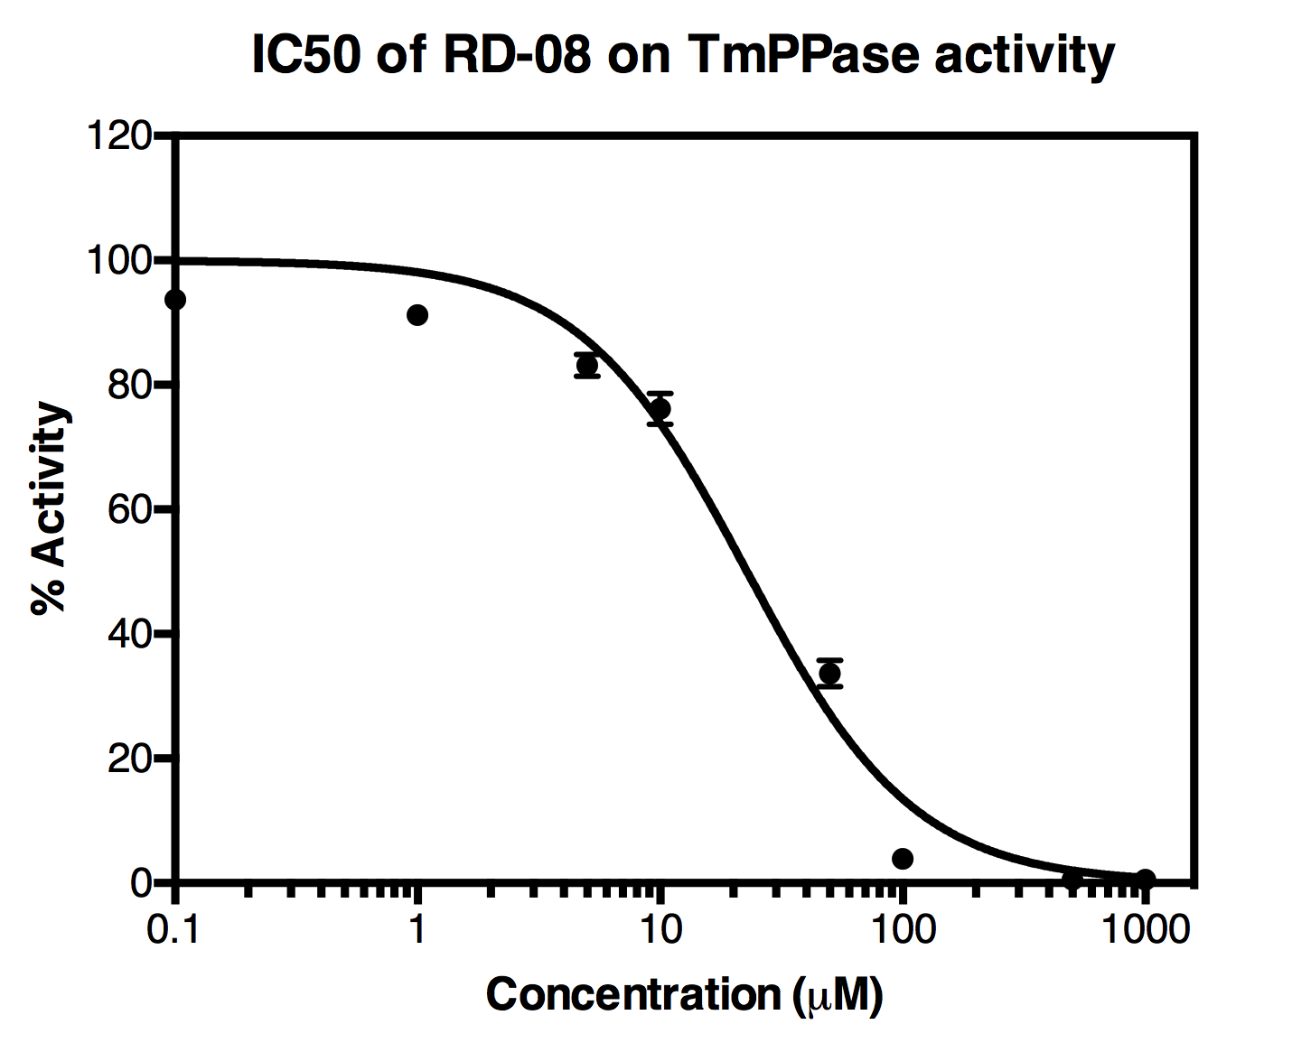
 |  |  |  |  |  |  |  |  |  |  |  |  |  |  |  |  |  |  |  |  |  |  |  |  |  |  |  |  |  |  |  |  |  |  |  |  |  |  |  |  |  |  |  |  |  |  |  |  |  |  |  |  |  |  |  |  |  |  |  |  |  |  |  |  |  |  |  |  |  |  |  |  |  |  |  |  |  |  |  |  |  |  |  |  |  |  |  |  |  |  |  |  |  |  |  |  |  | H | 0.89097209244 |  |  |  | 0.84975110905 |  |  |  | 0.84748085766
 |  |  |  |  |  |  |  |  |  |  |  |  |  |  |  |  |  |  |  |  |  |  |  |  |  |  |  |  |  |  |  |  |  |  |  |  |  |  |  |  |  |  |  |  |  |  |  |  |  |  |  |  |  |  |  |  |  |  |  |  |  |  |  |  |  |  |  |  |  |  |  |  |  |  |  |  |  |  |  |  |  |  |  | RD-08
 |  |  |  |  |  |  |  |  |  |  |  |  |  |  |  |  |  |  |  |  |  |  |  |  |  |  |  |  |  |  |  |  |  |  |  |  |  |  |  |  |  |  |  |  |  |  |  |  |  |  |  |  |  |  |  |  |  |  |  |  |  |  |  |  |  |  |  |  |  |  |  |  |  |  |  |  |  |  |  |  |  |  |  | Log Conc | RD-08 (uM) | x1 | x2 | x3 | x4 | avg | stdev
 |  |  |  |  |  |  |  |  |  |  |  |  |  |  |  |  |  |  |  |  |  |  |  |  |  |  |  |  |  |  |  |  |  |  |  |  |  |  |  |  |  |  |  |  |  |  |  |  |  |  |  |  |  |  |  |  |  |  |  |  |  |  |  |  |  |  |  |  |  |  |  |  |  |  |  |  |  |  |  |  |  |  |  | -1 | 0.1 | 93.532296483 | 92.579515202 | 94.485077764 | 94.216057167 | 93.703236654 | 0.84975110905 |  |  |  |  |  |  |  |  | RD-08
 |  |  |  |  |  |  |  |  |  |  |  |  |  |  |  |  |  |  |  |  |  |  |  |  |  |  |  |  |  |  |  |  |  |  |  |  |  |  |  |  |  |  |  |  |  |  |  |  |  |  |  |  |  |  |  |  |  |  |  |  |  |  |  |  |  |  |  |  |  |  |  |  |  |  |  |  |  |  |  |  |  |  |  | 0 | 1 | 92.288076223 | 90.5954883 | 91.144738686 | 90.920554855 | 91.342767736 | 0.73596829236 |  |  |  |  |  |  |  |  | LogIC50 |  | : 1,358±0,03128 uM
 |  |  |  |  |  |  |  |  |  |  |  |  |  |  |  |  |  |  |  |  |  |  |  |  |  |  |  |  |  |  |  |  |  |  |  |  |  |  |  |  |  |  |  |  |  |  |  |  |  |  |  |  |  |  |  |  |  |  |  |  |  |  |  |  |  |  |  |  |  |  |  |  |  |  |  |  |  |  |  |  |  |  |  | 0.69897000434 | 5 | 84.878800617 | 82.244640605 | 84.262295082 | 81.056466302 | 83.110550652 | 1.7722195023 |  |  |  |  |  |  |  |  | IC50 |  | : 22,81 uM
 |  |  |  |  |  |  |  |  |  |  |  |  |  |  |  |  |  |  |  |  |  |  |  |  |  |  |  |  |  |  |  |  |  |  |  |  |  |  |  |  |  |  |  |  |  |  |  |  |  |  |  |  |  |  |  |  |  |  |  |  |  |  |  |  |  |  |  |  |  |  |  |  |  |  |  |  |  |  |  |  |  |  |  | 1 | 10 | 77.547989351 | 76.337396665 | 78.153285694 | 72.638363458 | 76.169258792 | 2.4720270298
 |  |  |  |  |  |  |  |  |  |  |  |  |  |  |  |  |  |  |  |  |  |  |  |  |  |  |  |  |  |  |  |  |  |  |  |  |  |  |  |  |  |  |  |  |  |  |  |  |  |  |  |  |  |  |  |  |  |  |  |  |  |  |  |  |  |  |  |  |  |  |  |  |  |  |  |  |  |  |  |  |  |  |  | 1.6989700043 | 50 | 34.392601934 | 33.742468824 | 35.771332493 | 30.671150343 | 33.644388398 | 2.1551085801
 |  |  |  |  |  |  |  |  |  |  |  |  |  |  |  |  |  |  |  |  |  |  |  |  |  |  |  |  |  |  |  |  |  |  |  |  |  |  |  |  |  |  |  |  |  |  |  |  |  |  |  |  |  |  |  |  |  |  |  |  |  |  |  |  |  |  |  |  |  |  |  |  |  |  |  |  |  |  |  |  |  |  |  | 2 | 100 | 3.5561160151 | 4.7442903181 | 3.7354630797 | 3.4888608659 | 3.8811825697 | 0.58474317417
 |  |  |  |  |  |  |  |  |  |  |  |  |  |  |  |  |  |  |  |  |  |  |  |  |  |  |  |  |  |  |  |  |  |  |  |  |  |  |  |  |  |  |  |  |  |  |  |  |  |  |  |  |  |  |  |  |  |  |  |  |  |  |  |  |  |  |  |  |  |  |  |  |  |  |  |  |  |  |  |  |  |  |  | 2.6989700043 | 500 | 0.63051702396 | 0.4623791509 | 0.30545046938 | 0.82107328009 | 0.55485498108 | 0.22162379316
 |  |  |  |  |  |  |  |  |  |  |  |  |  |  |  |  |  |  |  |  |  |  |  |  |  |  |  |  |  |  |  |  |  |  |  |  |  |  |  |  |  |  |  |  |  |  |  |  |  |  |  |  |  |  |  |  |  |  |  |  |  |  |  |  |  |  |  |  |  |  |  |  |  |  |  |  |  |  |  |  |  |  |  | 3 | 1000 | 1.1125122601 | 0.42875157629 | 0.31665966092 | 0.42875157629 | 0.57166876839 | 0.36441367289

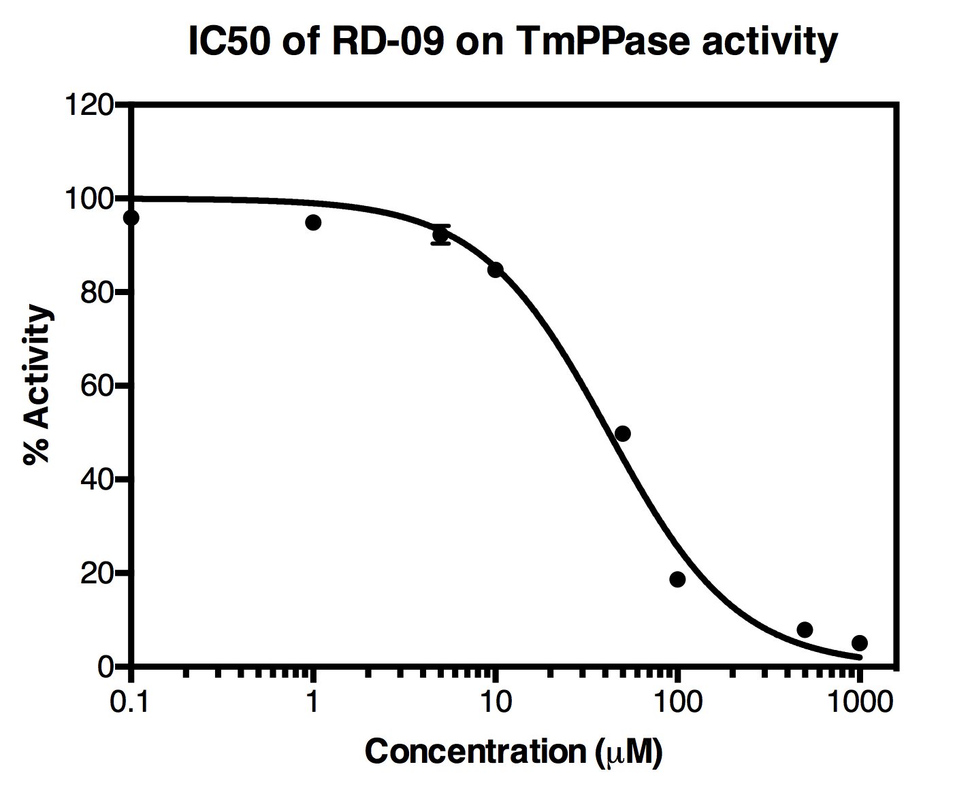
 |  |  |  |  |  |  |  |  |  |  |  |  |  |  |  |  |  |  |  |  |  |  |  |  |  |  |  |  |  |  |  |  |  |  |  |  |  |  |  |  |  |  |  |  |  |  |  |  |  |  |  |  |  |  |  |  |  |  |  |  |  |  |  |  |  |  |  |  |  |  |  |  |  |  |  |  |  |  |  |  |  |  |  | RD-09
 |  |  |  |  |  |  |  |  |  |  |  |  |  |  |  |  |  |  |  |  |  |  |  |  |  |  |  |  |  |  |  |  |  |  |  |  |  |  |  |  |  |  |  |  |  |  |  |  |  |  |  |  |  |  |  |  |  |  |  |  |  |  |  |  |  |  |  |  |  |  |  |  |  |  |  |  |  |  |  |  |  |  |  | Log Conc | RD-09 (uM) | x1 | x2 | x3 | x4 | avg |  |  |  |  |  |  |  |  |  | RD-09
 |  |  |  |  |  |  |  |  |  |  |  |  |  |  |  |  |  |  |  |  |  |  |  |  |  |  |  |  |  |  |  |  |  |  |  |  |  |  |  |  |  |  |  |  |  |  |  |  |  |  |  |  |  |  |  |  |  |  |  |  |  |  |  |  |  |  |  |  |  |  |  |  |  |  |  |  |  |  |  |  |  |  |  | -1 | 0.1 | 95.931063472 | 96.626033347 | 96.35701275 | 94.709261595 | 95.905842791 |  |  |  |  |  |  |  |  |  | LogIC50 |  | : 1,622±0,02203 uM
 |  |  |  |  |  |  |  |  |  |  |  |  |  |  |  |  |  |  |  |  |  |  |  |  |  |  |  |  |  |  |  |  |  |  |  |  |  |  |  |  |  |  |  |  |  |  |  |  |  |  |  |  |  |  |  |  |  |  |  |  |  |  |  |  |  |  |  |  |  |  |  |  |  |  |  |  |  |  |  |  |  |  |  | 0 | 1 | 95.572369343 | 95.348185512 | 95.650833684 | 92.960627715 | 94.883004063 |  |  |  |  |  |  |  |  |  | IC50 |  | : 41,93 uM
 |  |  |  |  |  |  |  |  |  |  |  |  |  |  |  |  |  |  |  |  |  |  |  |  |  |  |  |  |  |  |  |  |  |  |  |  |  |  |  |  |  |  |  |  |  |  |  |  |  |  |  |  |  |  |  |  |  |  |  |  |  |  |  |  |  |  |  |  |  |  |  |  |  |  |  |  |  |  |  |  |  |  |  | 0.69897000434 | 5 | 94.541123721 | 92.0526832 | 92.613142777 | 89.911727617 | 92.279669329
 |  |  |  |  |  |  |  |  |  |  |  |  |  |  |  |  |  |  |  |  |  |  |  |  |  |  |  |  |  |  |  |  |  |  |  |  |  |  |  |  |  |  |  |  |  |  |  |  |  |  |  |  |  |  |  |  |  |  |  |  |  |  |  |  |  |  |  |  |  |  |  |  |  |  |  |  |  |  |  |  |  |  |  | 1 | 10 | 85.383214236 | 84.654616786 | 84.777917893 | 84.31834104 | 84.783522488
 |  |  |  |  |  |  |  |  |  |  |  |  |  |  |  |  |  |  |  |  |  |  |  |  |  |  |  |  |  |  |  |  |  |  |  |  |  |  |  |  |  |  |  |  |  |  |  |  |  |  |  |  |  |  |  |  |  |  |  |  |  |  |  |  |  |  |  |  |  |  |  |  |  |  |  |  |  |  |  |  |  |  |  | 1.6989700043 | 50 | 50.455373406 | 50.578674513 | 50.029424128 | 48.157489141 | 49.805240297
 |  |  |  |  |  |  |  |  |  |  |  |  |  |  |  |  |  |  |  |  |  |  |  |  |  |  |  |  |  |  |  |  |  |  |  |  |  |  |  |  |  |  |  |  |  |  |  |  |  |  |  |  |  |  |  |  |  |  |  |  |  |  |  |  |  |  |  |  |  |  |  |  |  |  |  |  |  |  |  |  |  |  |  | 2 | 100 | 19.204147401 | 19.204147401 | 18.284993695 | 17.982345523 | 18.668908505
 |  |  |  |  |  |  |  |  |  |  |  |  |  |  |  |  |  |  |  |  |  |  |  |  |  |  |  |  |  |  |  |  |  |  |  |  |  |  |  |  |  |  |  |  |  |  |  |  |  |  |  |  |  |  |  |  |  |  |  |  |  |  |  |  |  |  |  |  |  |  |  |  |  |  |  |  |  |  |  |  |  |  |  | 2.6989700043 | 500 | 8.2191396945 | 8.0734202046 | 7.8716547569 | 7.4457054785 | 7.9024800336
 |  |  |  |  |  |  |  |  |  |  |  |  |  |  |  |  |  |  |  |  |  |  |  |  |  |  |  |  |  |  |  |  |  |  |  |  |  |  |  |  |  |  |  |  |  |  |  |  |  |  |  |  |  |  |  |  |  |  |  |  |  |  |  |  |  |  |  |  |  |  |  |  |  |  |  |  |  |  |  |  |  |  |  | 3 | 1000 | 5.1254028303 | 4.9348465742 | 5.0469384896 | 5.0021017234 | 5.0273224044

Result2
IC50 |  |  |  |  |  |  |  |  |  |  |  |  | raw data |  |  |  |  |  |  |  |  |  |  |  |  | raw data - blank |  |  |  |  |  |  |  |  |  |  |  |  |  |  |  |  |  |  | Pi amount (nmol) |  |  |  |  |  |  |  |  |  |  |  |  | Specific activity (umol/mg/min) |  |  |  |  |  |  |  |  |  |  |  |  | Average Specific activity (umol/mg/min) |  |  |  |  |  |  |  |  |  |  |  |  |  | % Activity |  |  |  |  |  |  |  |  |  |  |  |  | Average % activity |  |  |  |  |  |  |  |  |  |  |  |  | % of inhibition |  |  |  |  |  |  |  |  |  |  |  |  |  | Average % of inhibition |  |  |  |  |  |  |  |  |  |  |  |  | Standard deviation
 | 1 | 2 | 3 | 4 | 5 | 6 | 7 | 8 | 9 | 10 | 11 | 12 |  | 1 | 2 | 3 | 4 | 5 | 6 | 7 | 8 | 9 | 10 | 11 | 12 |  | 1 | 2 | 3 | 4 | 5 | 6 | 7 | 8 | 9 | 10 | 11 | 12 | Pi (nmol) | A1 | A2 | A3 | A4 | Average |  | 1 | 2 | 3 | 4 | 5 | 6 | 7 | 8 | 9 | 10 | 11 | 12 |  | 1 | 2 | 3 | 4 | 5 | 6 | 7 | 8 | 9 | 10 | 11 | 12 |  | 1 | 2 | 3 | 4 | 5 | 6 | 7 | 8 | 9 | 10 | 11 | 12 |  |  | 1 | 2 | 3 | 4 | 5 | 6 | 7 | 8 | 9 | 10 | 11 | 12 |  | 1 | 2 | 3 | 4 | 5 | 6 | 7 | 8 | 9 | 10 | 11 | 12 |  | 1 | 2 | 3 | 4 | 5 | 6 | 7 | 8 | 9 | 10 | 11 | 12 |  |  | 1 | 2 | 3 | 4 | 5 | 6 | 7 | 8 | 9 | 10 | 11 | 12 |  | 1 | 2 | 3 | 4 | 5 | 6 | 7 | 8 | 9 | 10 | 11 | 12
A | NoTmPPase |  |  | ARW-180 10000 |  |  | ARW-181 10000 |  |  | IAT120 50 |  |  | A | 0.1041 | 0.105 | 0.1022 | 0.755 | 0.7815 | 0.7505 | 0.1056 | 0.1087 | 0.1082 | 0.1049 | 0.1045 | 0.1082 | A | 0.00033333333333 | 0.0012333333333 | -0.0015666666667 | 0.65123333333 | 0.67773333333 | 0.64673333333 | 0.0018333333333 | 0.0049333333333 | 0.0044333333333 | 0.0011333333333 | 0.00073333333333 | 0.0044333333333 | 0 | 0.00033333333333 | 0.0012333333333 | -0.0015666666667 | 0.65123333333 | 0.16 | A | 0.09229747676 | 0.11022576361 | 0.054448871182 | 13.058432935 | 13.586321381 | 12.968791501 | 0.12217795485 | 0.1839309429 | 0.17397078353 | 0.10823373174 | 0.10026560425 | 0.17397078353 | A | 0.73837981408 | 0.8818061089 | 0.43559096946 | 104.46746348 | 108.69057105 | 103.75033201 | 0.97742363878 | 1.4714475432 | 1.3917662683 | 0.86586985392 | 0.802124834 | 1.3917662683 | A | 0.68525896414 |  |  | 105.63612218 |  |  | 1.2802124834 |  |  | 1.0199203187 |  |  |  | A |  |  |  | 70.150531497 | 72.986373689 | 69.668973389 | 0.65634586573 | 0.9880858957 | 0.93457943925 | 0.58143682671 | 0.53863166155 | 0.93457943925 | A |  |  |  | 70.935292859 |  |  | 0.85967040023 |  |  | 0.68488264251 |  |  | A |  |  |  | 29.849468503 | 27.013626311 | 30.331026611 | 99.343654134 | 99.011914104 | 99.065420561 | 99.418563173 | 99.461368338 | 99.065420561 |  | A |  |  |  | 29.064707141 |  |  | 99.1403296 |  |  | 99.315117357 |  |  | A | #DIV/0! |  |  | 1.79253284 |  |  | 0.17810498299 |  |  | 0.21730034116
B | Pi 2,5 nmol |  |  | ARW-180 1000 |  |  | ARW-181 1000 |  |  | IAT120 20 |  |  | B | 0.2302 | 0.2244 | 0.2273 | 0.9569 | 0.9392 | 0.9256 | 0.5578 | 0.5755 | 0.5899 | 0.1331 | 0.1273 | 0.1324 | B | 0.12643333333 | 0.12063333333 | 0.12353333333 | 0.85313333333 | 0.83543333333 | 0.82183333333 | 0.45403333333 | 0.47173333333 | 0.48613333333 | 0.029333333333 | 0.023533333333 | 0.028633333333 | 2.5 | 0.12643333333 | 0.12063333333 | 0.12353333333 | 0.85313333333 | 0.31 | B | 2.604249668 | 2.4887118194 | 2.5464807437 | 17.080345286 | 16.727755644 | 16.456839309 | 9.1301460823 | 9.4827357238 | 9.7695883134 | 0.66998671979 | 0.55444887118 | 0.65604249668 | B | 20.833997344 | 19.909694555 | 20.37184595 | 136.64276228 | 133.82204515 | 131.65471448 | 73.041168659 | 75.86188579 | 78.156706507 | 5.3598937583 | 4.4355909695 | 5.2483399734 | B | 20.37184595 |  |  | 134.03984064 |  |  | 75.686586985 |  |  | 5.0146082337 |  |  |  | B |  |  |  | 91.75643861 | 89.862310052 | 88.406934437 | 49.047585075 | 50.941713633 | 52.482699579 | 3.5992009703 | 2.9785260755 | 3.5242919312 | B |  |  |  | 90.008561033 |  |  | 50.823999429 |  |  | 3.367339659 |  |  | B |  |  |  | 8.2435613897 | 10.137689948 | 11.593065563 | 50.952414925 | 49.058286367 | 47.517300421 | 96.40079903 | 97.021473925 | 96.475708069 |  | B |  |  |  | 9.991438967 |  |  | 49.176000571 |  |  | 96.632660341 |  |  | B | #DIV/0! |  |  | 1.6795346273 |  |  | 1.7205799572 |  |  | 0.33879911905
C | Pi 10 nmol |  |  | ARW-180 500 |  |  | ARW-181 500 |  |  | IAT120 10 |  |  | C | 0.6104 | 0.6082 | 0.6208 | 0.9772 | 0.9903 | 0.9704 | 0.731 | 0.775 | 0.8008 | 0.3011 | 0.287 | 0.3116 | C | 0.50663333333 | 0.50443333333 | 0.51703333333 | 0.87343333333 | 0.88653333333 | 0.86663333333 | 0.62723333333 | 0.67123333333 | 0.69703333333 | 0.19733333333 | 0.18323333333 | 0.20783333333 | 10 | 0.50663333333 | 0.50443333333 | 0.51703333333 | 0.87343333333 | 0.60 | C | 10.177954847 | 10.134130146 | 10.385126162 | 17.484727756 | 17.745683931 | 17.349269588 | 12.580345286 | 13.456839309 | 13.970783533 | 4.0166002656 | 3.7357237716 | 4.2257636122 | C | 81.423638778 | 81.073041169 | 83.081009296 | 139.87782205 | 141.96547145 | 138.79415671 | 100.64276228 | 107.65471448 | 111.76626826 | 32.132802125 | 29.885790173 | 33.806108898 | C | 81.859229748 |  |  | 140.2124834 |  |  | 106.68791501 |  |  | 31.941567065 |  |  |  | C |  |  |  | 93.928800742 | 95.330669901 | 93.201112934 | 67.582221588 | 72.290789755 | 75.051722908 | 21.577370336 | 20.068488264 | 22.701005921 | C |  |  |  | 94.153527859 |  |  | 71.641578084 |  |  | 21.448954841 |  |  | C |  |  |  | 6.071199258 | 4.6693300992 | 6.7988870657 | 32.417778412 | 27.709210245 | 24.948277092 | 78.422629664 | 79.931511736 | 77.298994079 |  | C |  |  |  | 5.846472141 |  |  | 28.358421916 |  |  | 78.551045159 |  |  | C | #DIV/0! |  |  | 1.0824185541 |  |  | 3.776833242 |  |  | 1.3209486017
D | Pi 20 nmol |  |  | ARW-180 100 |  |  | ARW-181 100 |  |  | IAT120 5 |  |  | D | 1.1098 | 1.1184 | 1.1422 | 1.0746 | 1.0184 | 1.0305 | 0.9571 | 0.946 | 0.9931 | 0.6998 | 0.6773 | 0.6428 | D | 1.0060333333 | 1.0146333333 | 1.0384333333 | 0.97083333333 | 0.91463333333 | 0.92673333333 | 0.85333333333 | 0.84223333333 | 0.88933333333 | 0.59603333333 | 0.57353333333 | 0.53903333333 | 20 | 1.0060333333 | 1.0146333333 | 1.0384333333 | 0.97083333333 | 1.01 | D | 20.126162019 | 20.29747676 | 20.771580345 | 19.424966799 | 18.305444887 | 18.546480744 | 17.084329349 | 16.863213811 | 17.801460823 | 11.958831341 | 11.51062417 | 10.823373174 | D | 161.00929615 | 162.37981408 | 166.17264276 | 155.3997344 | 146.4435591 | 148.37184595 | 136.67463479 | 134.90571049 | 142.41168659 | 95.67065073 | 92.08499336 | 86.586985392 | D | 163.187251 |  |  | 150.07171315 |  |  | 137.99734396 |  |  | 91.447543161 |  |  |  | D |  |  |  | 104.35185846 | 98.337732753 | 99.632588999 | 91.777841193 | 90.58999786 | 95.630306057 | 64.243418706 | 61.835628166 | 58.143682671 | D |  |  |  | 100.77406007 |  |  | 92.66604837 |  |  | 61.407576514 |  |  | D |  |  |  | -4.3518584576 | 1.6622672469 | 0.36741100093 | 8.2221588072 | 9.4100021403 | 4.3696939431 | 35.756581294 | 38.164371834 | 41.856317329 |  | D |  |  |  | -0.77406006992 |  |  | 7.3339516302 |  |  | 38.592423486 |  |  | D | #DIV/0! |  |  | 3.1653821494 |  |  | 2.6349308668 |  |  | 3.072314451
E | TmPPase no Inhibitor |  |  | ARW-180 50 |  |  | ARW-181 50 |  |  | IAT120 1 |  |  | E | 1.0278 | 1.0635 | 1.0105 | 1.0635 | 1.0473 | 1.027 | 1.0479 | 1.0201 | 1.0488 | 0.9791 | 0.973 | 0.9264 | E | 0.92403333333 | 0.95973333333 | 0.90673333333 | 0.95973333333 | 0.94353333333 | 0.92323333333 | 0.94413333333 | 0.91633333333 | 0.94503333333 | 0.87533333333 | 0.86923333333 | 0.82263333333 |  |  |  |  |  |  | E | 18.492695883 | 19.203851262 | 18.148074369 | 19.203851262 | 18.881142098 | 18.476759628 | 18.89309429 | 18.339309429 | 18.911022576 | 17.522576361 | 17.401062417 | 16.472775564 | E | 147.94156707 | 153.63081009 | 145.18459495 | 153.63081009 | 151.04913679 | 147.81407703 | 151.14475432 | 146.71447543 | 151.28818061 | 140.18061089 | 139.20849934 | 131.78220452 | E | 148.9189907 |  |  | 150.8313413 |  |  | 149.71580345 |  |  | 137.05710491 |  |  |  | E | 99.343654134 | 103.16401512 | 97.492330741 | 103.16401512 | 101.43040594 | 99.258043804 | 101.49461368 | 98.519654705 | 101.5909253 | 94.132125276 | 93.479346508 | 88.492544767 | E | 100 |  |  | 101.28415495 |  |  | 100.53506456 |  |  | 92.034672184 |  |  | E | 0.65634586573 | -3.1640151245 | 2.5076692588 | -3.1640151245 | -1.4304059356 | 0.74195619605 | -1.4946136834 | 1.480345295 | -1.590925305 | 5.8678747235 | 6.5206534922 | 11.507455233 |  | E | -4.7369515717E-15 |  |  | -1.2841549547 |  |  | -0.53506456446 |  |  | 7.9653278162 |  |  | E | 2.8922471121 |  |  | 1.9570883989 |  |  | 1.7460603249 |  |  | 3.0848873573
Calibration curve
0 | -6.9388939039E-18
2.5 | 0.1167
10 | 0.497525
20 | 1.00105
F | IDP 50uM |  |  | ARW-180 10 |  |  | ARW-181 10 |  |  | IAT120 0.1 |  |  | F | 0.6737 | 0.6801 | 0.6729 | 1.0659 | 1.0385 | 1.0593 | 1.0495 | 1.0618 | 1.0548 | 1.0581 | 1.0831 | 1.0605 | F | 0.56993333333 | 0.57633333333 | 0.56913333333 | 0.96213333333 | 0.93473333333 | 0.95553333333 | 0.94573333333 | 0.95803333333 | 0.95103333333 | 0.95433333333 | 0.97933333333 | 0.95673333333 |  |  |  |  |  |  | F | 11.438911023 | 11.566401062 | 11.422974768 | 19.251660027 | 18.705843293 | 19.120185923 | 18.924966799 | 19.16998672 | 19.030544489 | 19.096281541 | 19.594289509 | 19.144090305 | F | 91.511288181 | 92.531208499 | 91.383798141 | 154.01328021 | 149.64674635 | 152.96148738 | 151.3997344 | 153.35989376 | 152.24435591 | 152.77025232 | 156.75431607 | 153.15272244 | F | 91.80876494 |  |  | 152.20717131 |  |  | 152.33466135 |  |  | 154.22576361 |  |  |  | F | 61.450381679 | 62.135264322 | 61.364771349 | 103.42084612 | 100.4886923 | 102.71456089 | 101.66583434 | 102.98209317 | 102.23300278 | 102.58614539 | 105.26146822 | 102.84297639 | F | 61.650139117 |  |  | 102.2080331 |  |  | 102.29364343 |  |  | 103.56353 |  |  | F | 38.549618321 | 37.864735678 | 38.635228651 | -3.4208461154 | -0.4886923022 | -2.7145608903 | -1.665834344 | -2.9820931726 | -2.2330027823 | -2.5861453949 | -5.2614682172 | -2.8429763858 |  | F | 38.349860883 |  |  | -2.2080331027 |  |  | -2.293643433 |  |  | -3.5635299993 |  |  | F | 0.42230573124 |  |  | 1.5302971267 |  |  | 0.66022139645 |  |  | 1.4760542616
G | MTI61 50 uM |  |  | ARW-180 1 |  |  | ARW-181 1 |  |  | IAT120 0.01 |  |  | G | 0.2761 | 0.3055 | 0.297 | 1.043 | 1.1222 | 1.0397 | 1.052 | 1.0571 | 1.0692 | 1.0464 | 1.058 | 1.0587 | G | 0.17233333333 | 0.20173333333 | 0.19323333333 | 0.93923333333 | 1.0184333333 | 0.93593333333 | 0.94823333333 | 0.95333333333 | 0.96543333333 | 0.94263333333 | 0.95423333333 | 0.95493333333 |  |  |  |  |  |  | G | 3.5185922975 | 4.104249668 | 3.9349269588 | 18.795484728 | 20.373173971 | 18.729747676 | 18.974767596 | 19.076361222 | 19.317397078 | 18.863213811 | 19.094289509 | 19.108233732 | G | 28.14873838 | 32.833997344 | 31.479415671 | 150.36387782 | 162.98539177 | 149.83798141 | 151.79814077 | 152.61088977 | 154.53917663 | 150.90571049 | 152.75431607 | 152.86586985 | G | 30.820717131 |  |  | 154.39575033 |  |  | 152.98273572 |  |  | 152.1752988 |  |  |  | G | 18.902047514 | 22.048227153 | 21.138617393 | 100.97025041 | 109.44567311 | 100.6171078 | 101.93336663 | 102.47913248 | 103.77398873 | 101.33409431 | 102.5754441 | 102.65035314 | G | 20.696297353 |  |  | 103.67767711 |  |  | 102.72882928 |  |  | 102.18663052 |  |  | G | 81.097952486 | 77.951772847 | 78.861382607 | -0.97025041022 | -9.4456731112 | -0.61710779767 | -1.9333666262 | -2.479132482 | -3.773988728 | -1.334094314 | -2.5754441036 | -2.6503531426 |  | G | 79.303702647 |  |  | -3.6776771064 |  |  | -2.7288292787 |  |  | -2.1866305201 |  |  | G | 1.6190573935 |  |  | 4.998350814 |  |  | 0.94537495105 |  |  | 0.73926742657
H | AKI XVII103 5uM |  |  | ARW-180 0.1 |  |  | ARW-181 0.1 |  |  | IAT120 0.001 |  |  | H | 0.3374 | 0.4251 | 0.3482 | 1.0589 | 1.0171 | 1.068 | 1.0333 | 1.0443 | 1.0718 | 1.055 | 1.0463 | 0.1781 | H | 0.23363333333 | 0.32133333333 | 0.24443333333 | 0.95513333333 | 0.91333333333 | 0.96423333333 | 0.92953333333 | 0.94053333333 | 0.96803333333 | 0.95123333333 | 0.94253333333 | 0.074333333333 |  |  |  |  |  |  | H | 4.7397078353 | 6.4867197875 | 4.9548472776 | 19.112217795 | 18.279548473 | 19.293492696 | 18.602257636 | 18.821381142 | 19.369189907 | 19.034528552 | 18.86122178 | 1.5664010624 | H | 37.917662683 | 51.8937583 | 39.63877822 | 152.89774236 | 146.23638778 | 154.34794157 | 148.81806109 | 150.57104914 | 154.95351926 | 152.27622842 | 150.88977424 | 12.531208499 | H | 43.150066401 |  |  | 151.16069057 |  |  | 151.44754316 |  |  | 151.58300133 |  |  |  | H | 25.461939074 | 34.846971535 | 26.617678533 | 102.67175573 | 98.198615966 | 103.64557323 | 99.932225155 | 101.1093672 | 104.0522223 | 102.25440536 | 101.32339302 | 8.4147820504 | H | 28.975529714 |  |  | 101.50531497 |  |  | 101.69793822 |  |  | 101.78889919 |  |  | H | 74.538060926 | 65.153028465 | 73.382321467 | -2.6717557252 | 1.8013840337 | -3.6455732325 | 0.067774844831 | -1.109367197 | -4.0522223015 | -2.2544053649 | -1.3233930228 | 91.58521795 |  | H | 71.024470286 |  |  | -1.5053149747 |  |  | -1.6979382179 |  |  | -1.7888991938 |  |  | H | 5.1175487506 |  |  | 2.9047846535 |  |  | 2.1221229951 |  |  | 0.65832514051
 |  |  |  | ARW-180 |  |  | ARW-181 |  |  | IAT120
 |  |  |  |  |  |  |  |  |  |  |  |  |  |  |  |  |  |  |  |  |  |  |  |  |  |  |  |  |  |  |  |  |  |  |  |  |  |  |  |  |  |  |  |  |  |  |  |  |  |  |  |  |  |  |  |  |  |  |  |  |  |  |  |  |  |  |  |  |  |  |  |  |  |  |  |  |  |  |  |  |  |  |  |  |  |  |  |  |  |  |  |  |  |  |  |  |  | Standard deviation
 |  |  |  |  |  |  |  |  |  |  |  |  |  |  |  |  |  |  |  |  |  |  |  |  |  |  |  |  |  |  |  |  |  |  |  |  |  |  |  |  |  |  |  |  |  |  |  |  |  |  |  |  |  |  |  |  |  |  |  |  |  |  |  |  |  |  |  |  |  |  |  |  |  |  |  |  |  |  |  |  |  |  |  |  |  |  |  |  |  |  |  |  |  |  |  |  |  |  | 1 | 2 | 3 | 4 | 5 | 6 | 7 | 8 | 9 | 10 | 11 | 12 |  |  |  |  |  |  |  |  |  |  |  |  |  | Results summary
 |  |  |  |  |  |  |  |  |  |  |  |  |  |  |  |  |  |  |  |  |  |  |  |  |  |  |  |  |  |  |  |  |  |  |  |  |  |  |  |  |  |  |  |  |  |  |  |  |  |  |  |  |  |  |  |  |  |  |  |  |  |  |  |  |  |  |  |  |  |  |  |  |  |  |  |  |  |  |  |  |  |  |  |  |  |  |  |  |  |  |  |  |  |  |  |  |  | A | #DIV/0! |  |  | 1.79253284 |  |  | 0.17810498299 |  |  | 0.21730034116 |  |  |  |  |  |  |  |  |  |  |  |  |  |  |  | Sample | Conc1 (uM) | Conc2 (uM) | Conc3 (uM) | Conc1 | STDEVc1 | Conc2 | STDEVc2 | Conc3 | STDEVconc3
 |  |  |  |  |  |  |  |  |  |  |  |  |  |  |  |  |  |  |  |  |  |  |  |  |  |  |  |  |  |  |  |  |  |  |  |  |  |  |  |  |  |  |  |  |  |  |  |  |  |  |  |  |  |  |  |  |  |  |  |  |  |  |  |  |  |  |  |  |  |  |  |  |  |  |  |  |  |  |  |  |  |  |  |  |  |  |  |  |  |  |  |  |  |  |  |  |  | B | #DIV/0! |  |  | 1.6795346273 |  |  | 1.7205799572 |  |  | 0.33879911905 |  |  |  |  |  |  |  |  |  |  |  |  |  |  |  | No Inhibitor |  |  |  | 0.00 | 2.89
 |  |  |  |  |  |  |  |  |  |  |  |  |  |  |  |  |  |  |  |  |  |  |  |  |  |  |  |  |  |  |  |  |  |  |  |  |  |  |  |  |  |  |  |  |  |  |  |  |  |  |  |  |  |  |  |  |  |  |  |  |  |  |  |  |  |  |  |  |  |  |  |  |  |  |  |  |  |  |  |  |  |  |  |  |  |  |  |  |  |  |  |  |  |  |  |  |  | C | #DIV/0! |  |  | 1.0824185541 |  |  | 3.776833242 |  |  | 1.3209486017 |  |  |  |  |  |  |  |  |  |  |  |  |  |  |  | IDP | 50 |  |  | 38.35 | 0.42
 |  |  |  |  |  |  |  |  |  |  |  |  |  |  |  |  |  |  |  |  |  |  |  |  |  |  |  |  |  |  |  |  |  |  |  |  |  |  |  |  |  |  |  |  |  |  |  |  |  |  |  |  |  |  |  |  |  |  |  |  |  |  |  |  |  |  |  |  |  |  |  |  |  |  |  |  |  |  |  |  |  |  |  |  |  |  |  |  |  |  |  |  |  |  |  |  |  | D | #DIV/0! |  |  | 3.1653821494 |  |  | 2.6349308668 |  |  | 3.072314451 |  |  |  |  |  |  |  |  |  |  |  |  |  |  |  | MTI61 | 50 |  |  | 79.30 | 1.62
 |  |  |  |  |  |  |  |  |  |  |  |  |  |  |  |  |  |  |  |  |  |  |  |  |  |  |  |  |  |  |  |  |  |  |  |  |  |  |  |  |  |  |  |  |  |  |  |  |  |  |  |  |  |  |  |  |  |  |  |  |  |  |  |  |  |  |  |  |  |  |  |  |  |  |  |  |  |  |  |  |  |  |  |  |  |  |  |  |  |  |  |  |  |  |  |  |  | E | 2.8922471121 |  |  | 1.9570883989 |  |  | 1.7460603249 |  |  | 3.0848873573 |  |  |  |  |  |  |  |  |  |  |  |  |  |  |  | AKI XVII103 | 5 |  |  | 71.02 | 5.12
 |  |  |  |  |  |  |  |  |  |  |  |  |  |  |  |  |  |  |  |  |  |  |  |  |  |  |  |  |  |  |  |  |  |  |  |  |  |  |  |  |  |  |  |  |  |  |  |  |  |  |  |  |  |  |  |  |  |  |  |  |  |  |  |  |  |  |  |  |  |  |  |  |  |  |  |  |  |  |  |  |  |  |  |  |  |  |  |  |  |  |  |  |  |  |  |  |  | F | 0.42230573124 |  |  | 1.5302971267 |  |  | 0.66022139645 |  |  | 1.4760542616
 |  |  |  |  |  |  |  |  |  |  |  |  |  |  |  |  |  |  |  |  |  |  |  |  |  |  |  |  |  |  |  |  |  |  |  |  |  |  |  |  |  |  |  |  |  |  |  |  |  |  |  |  |  |  |  |  |  |  |  |  |  |  |  |  |  |  |  |  |  |  |  |  |  |  |  |  |  |  |  |  |  |  |  |  |  |  |  |  |  |  |  |  |  |  |  |  |  | G | 1.6190573935 |  |  | 4.998350814 |  |  | 0.94537495105 |  |  | 0.73926742657
 |  |  |  |  |  |  |  |  |  |  |  |  |  |  |  |  |  |  |  |  |  |  |  |  |  |  |  |  |  |  |  |  |  |  |  |  |  |  |  |  |  |  |  |  |  |  |  |  |  |  |  |  |  |  |  |  |  |  |  |  |  |  |  |  |  |  |  |  |  |  |  |  |  |  |  |  |  |  |  |  |  |  |  |  |  |  |  |  |  |  |  |  |  |  |  |  |  | H | 5.1175487506 |  |  | 2.9047846535 |  |  | 2.1221229951 |  |  | 0.65832514051
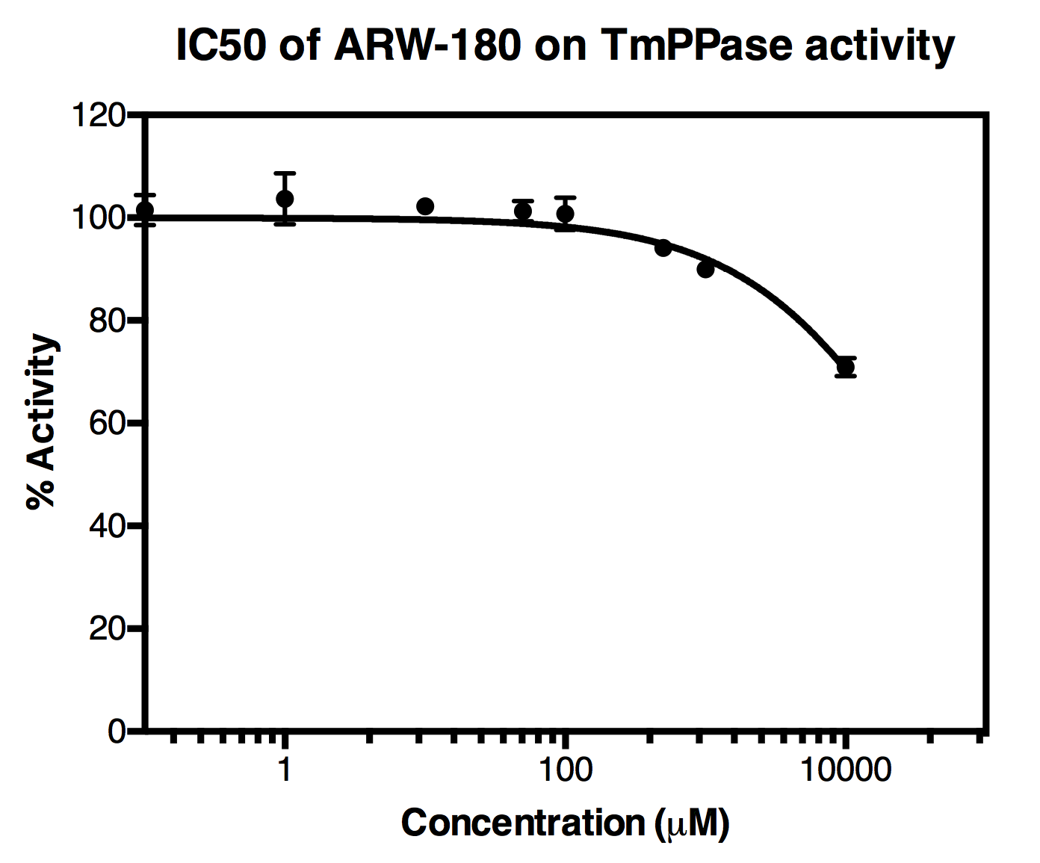
 |  |  |  |  |  |  |  |  |  |  |  |  |  |  |  |  |  |  |  |  |  |  |  |  |  |  |  |  |  |  |  |  |  |  |  |  |  |  |  |  |  |  |  |  |  |  |  |  |  |  |  |  |  |  |  |  |  |  |  |  |  |  |  |  |  |  |  |  |  |  |  |  |  |  |  |  |  |  |  |  |  |  |  | ARW-180
 |  |  |  |  |  |  |  |  |  |  |  |  |  |  |  |  |  |  |  |  |  |  |  |  |  |  |  |  |  |  |  |  |  |  |  |  |  |  |  |  |  |  |  |  |  |  |  |  |  |  |  |  |  |  |  |  |  |  |  |  |  |  |  |  |  |  |  |  |  |  |  |  |  |  |  |  |  |  |  |  |  |  |  | Log Conc | ARW-180 (uM) | x1 | x2 | x3 | avg | stdev
 |  |  |  |  |  |  |  |  |  |  |  |  |  |  |  |  |  |  |  |  |  |  |  |  |  |  |  |  |  |  |  |  |  |  |  |  |  |  |  |  |  |  |  |  |  |  |  |  |  |  |  |  |  |  |  |  |  |  |  |  |  |  |  |  |  |  |  |  |  |  |  |  |  |  |  |  |  |  |  |  |  |  |  | -1 | 0.1 | 102.67175573 | 98.198615966 | 103.64557323 | 101.50531497 | 2.9047846535 |  |  |  |  |  |  |  |  |  | ARW-180
 |  |  |  |  |  |  |  |  |  |  |  |  |  |  |  |  |  |  |  |  |  |  |  |  |  |  |  |  |  |  |  |  |  |  |  |  |  |  |  |  |  |  |  |  |  |  |  |  |  |  |  |  |  |  |  |  |  |  |  |  |  |  |  |  |  |  |  |  |  |  |  |  |  |  |  |  |  |  |  |  |  |  |  | 0 | 1 | 100.97025041 | 109.44567311 | 100.6171078 | 103.67767711 | 4.998350814 |  |  |  |  |  |  |  |  |  | LogIC50 |  | : 4,553±0,1038 uM
 |  |  |  |  |  |  |  |  |  |  |  |  |  |  |  |  |  |  |  |  |  |  |  |  |  |  |  |  |  |  |  |  |  |  |  |  |  |  |  |  |  |  |  |  |  |  |  |  |  |  |  |  |  |  |  |  |  |  |  |  |  |  |  |  |  |  |  |  |  |  |  |  |  |  |  |  |  |  |  |  |  |  |  | 1 | 10 | 103.42084612 | 100.4886923 | 102.71456089 | 102.2080331 | 1.5302971267 |  |  |  |  |  |  |  |  |  | IC50 |  | : 35739 uM
 |  |  |  |  |  |  |  |  |  |  |  |  |  |  |  |  |  |  |  |  |  |  |  |  |  |  |  |  |  |  |  |  |  |  |  |  |  |  |  |  |  |  |  |  |  |  |  |  |  |  |  |  |  |  |  |  |  |  |  |  |  |  |  |  |  |  |  |  |  |  |  |  |  |  |  |  |  |  |  |  |  |  |  | 1.6989700043 | 50 | 103.16401512 | 101.43040594 | 99.258043804 | 101.28415495 | 1.9570883989
 |  |  |  |  |  |  |  |  |  |  |  |  |  |  |  |  |  |  |  |  |  |  |  |  |  |  |  |  |  |  |  |  |  |  |  |  |  |  |  |  |  |  |  |  |  |  |  |  |  |  |  |  |  |  |  |  |  |  |  |  |  |  |  |  |  |  |  |  |  |  |  |  |  |  |  |  |  |  |  |  |  |  |  | 2 | 100 | 104.35185846 | 98.337732753 | 99.632588999 | 100.77406007 | 3.1653821494
 |  |  |  |  |  |  |  |  |  |  |  |  |  |  |  |  |  |  |  |  |  |  |  |  |  |  |  |  |  |  |  |  |  |  |  |  |  |  |  |  |  |  |  |  |  |  |  |  |  |  |  |  |  |  |  |  |  |  |  |  |  |  |  |  |  |  |  |  |  |  |  |  |  |  |  |  |  |  |  |  |  |  |  | 2.6989700043 | 500 | 93.928800742 | 95.330669901 | 93.201112934 | 94.153527859 | 1.0824185541
 |  |  |  |  |  |  |  |  |  |  |  |  |  |  |  |  |  |  |  |  |  |  |  |  |  |  |  |  |  |  |  |  |  |  |  |  |  |  |  |  |  |  |  |  |  |  |  |  |  |  |  |  |  |  |  |  |  |  |  |  |  |  |  |  |  |  |  |  |  |  |  |  |  |  |  |  |  |  |  |  |  |  |  | 3 | 1000 | 91.75643861 | 89.862310052 | 88.406934437 | 90.008561033 | 1.6795346273
 |  |  |  |  |  |  |  |  |  |  |  |  |  |  |  |  |  |  |  |  |  |  |  |  |  |  |  |  |  |  |  |  |  |  |  |  |  |  |  |  |  |  |  |  |  |  |  |  |  |  |  |  |  |  |  |  |  |  |  |  |  |  |  |  |  |  |  |  |  |  |  |  |  |  |  |  |  |  |  |  |  |  |  | 4 | 10000 | 70.150531497 | 72.986373689 | 69.668973389 | 70.935292859 | 1.79253284

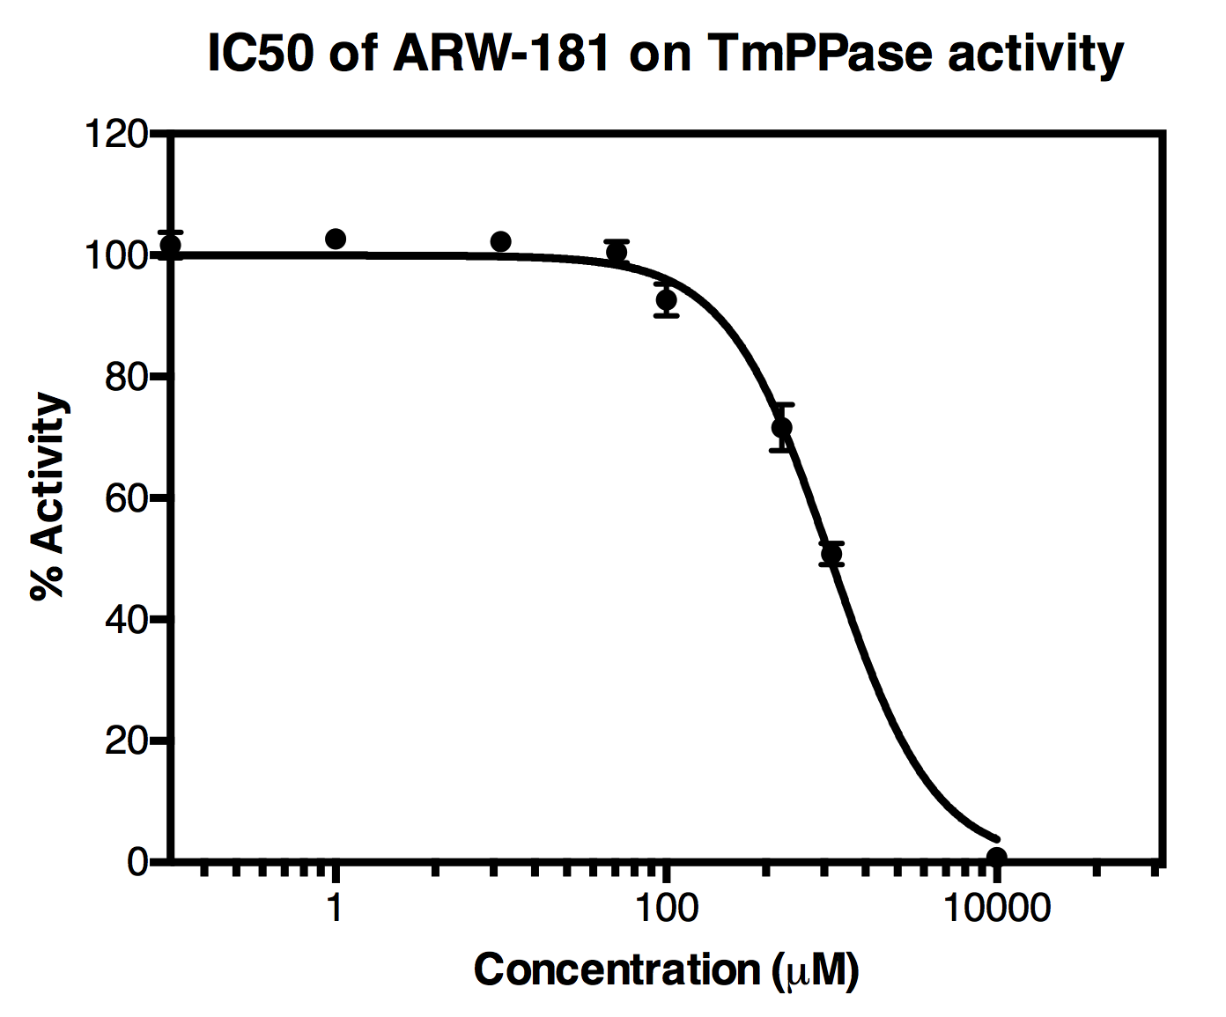
 |  |  |  |  |  |  |  |  |  |  |  |  |  |  |  |  |  |  |  |  |  |  |  |  |  |  |  |  |  |  |  |  |  |  |  |  |  |  |  |  |  |  |  |  |  |  |  |  |  |  |  |  |  |  |  |  |  |  |  |  |  |  |  |  |  |  |  |  |  |  |  |  |  |  |  |  |  |  |  |  |  |  |  | ARW-181
 |  |  |  |  |  |  |  |  |  |  |  |  |  |  |  |  |  |  |  |  |  |  |  |  |  |  |  |  |  |  |  |  |  |  |  |  |  |  |  |  |  |  |  |  |  |  |  |  |  |  |  |  |  |  |  |  |  |  |  |  |  |  |  |  |  |  |  |  |  |  |  |  |  |  |  |  |  |  |  |  |  |  |  | Log Conc | ARW-181 (uM) | x1 | x2 | x3 | avg | stdev |  |  |  |  |  |  |  |  |  | ARW-181
 |  |  |  |  |  |  |  |  |  |  |  |  |  |  |  |  |  |  |  |  |  |  |  |  |  |  |  |  |  |  |  |  |  |  |  |  |  |  |  |  |  |  |  |  |  |  |  |  |  |  |  |  |  |  |  |  |  |  |  |  |  |  |  |  |  |  |  |  |  |  |  |  |  |  |  |  |  |  |  |  |  |  |  | -1 | 0.1 | 99.932225155 | 101.1093672 | 104.0522223 | 101.69793822 | 2.1221229951 |  |  |  |  |  |  |  |  |  | LogIC50 |  | : 2,995±0,0184 uM
 |  |  |  |  |  |  |  |  |  |  |  |  |  |  |  |  |  |  |  |  |  |  |  |  |  |  |  |  |  |  |  |  |  |  |  |  |  |  |  |  |  |  |  |  |  |  |  |  |  |  |  |  |  |  |  |  |  |  |  |  |  |  |  |  |  |  |  |  |  |  |  |  |  |  |  |  |  |  |  |  |  |  |  | 0 | 1 | 101.93336663 | 102.47913248 | 103.77398873 | 102.72882928 | 0.94537495105 |  |  |  |  |  |  |  |  |  | IC50 |  | : 989,2 uM
 |  |  |  |  |  |  |  |  |  |  |  |  |  |  |  |  |  |  |  |  |  |  |  |  |  |  |  |  |  |  |  |  |  |  |  |  |  |  |  |  |  |  |  |  |  |  |  |  |  |  |  |  |  |  |  |  |  |  |  |  |  |  |  |  |  |  |  |  |  |  |  |  |  |  |  |  |  |  |  |  |  |  |  | 1 | 10 | 101.66583434 | 102.98209317 | 102.23300278 | 102.29364343 | 0.66022139645
 |  |  |  |  |  |  |  |  |  |  |  |  |  |  |  |  |  |  |  |  |  |  |  |  |  |  |  |  |  |  |  |  |  |  |  |  |  |  |  |  |  |  |  |  |  |  |  |  |  |  |  |  |  |  |  |  |  |  |  |  |  |  |  |  |  |  |  |  |  |  |  |  |  |  |  |  |  |  |  |  |  |  |  | 1.6989700043 | 50 | 101.49461368 | 98.519654705 | 101.5909253 | 100.53506456 | 1.7460603249
 |  |  |  |  |  |  |  |  |  |  |  |  |  |  |  |  |  |  |  |  |  |  |  |  |  |  |  |  |  |  |  |  |  |  |  |  |  |  |  |  |  |  |  |  |  |  |  |  |  |  |  |  |  |  |  |  |  |  |  |  |  |  |  |  |  |  |  |  |  |  |  |  |  |  |  |  |  |  |  |  |  |  |  | 2 | 100 | 91.777841193 | 90.58999786 | 95.630306057 | 92.66604837 | 2.6349308668
 |  |  |  |  |  |  |  |  |  |  |  |  |  |  |  |  |  |  |  |  |  |  |  |  |  |  |  |  |  |  |  |  |  |  |  |  |  |  |  |  |  |  |  |  |  |  |  |  |  |  |  |  |  |  |  |  |  |  |  |  |  |  |  |  |  |  |  |  |  |  |  |  |  |  |  |  |  |  |  |  |  |  |  | 2.6989700043 | 500 | 67.582221588 | 72.290789755 | 75.051722908 | 71.641578084 | 3.776833242
 |  |  |  |  |  |  |  |  |  |  |  |  |  |  |  |  |  |  |  |  |  |  |  |  |  |  |  |  |  |  |  |  |  |  |  |  |  |  |  |  |  |  |  |  |  |  |  |  |  |  |  |  |  |  |  |  |  |  |  |  |  |  |  |  |  |  |  |  |  |  |  |  |  |  |  |  |  |  |  |  |  |  |  | 3 | 1000 | 49.047585075 | 50.941713633 | 52.482699579 | 50.823999429 | 1.7205799572
 |  |  |  |  |  |  |  |  |  |  |  |  |  |  |  |  |  |  |  |  |  |  |  |  |  |  |  |  |  |  |  |  |  |  |  |  |  |  |  |  |  |  |  |  |  |  |  |  |  |  |  |  |  |  |  |  |  |  |  |  |  |  |  |  |  |  |  |  |  |  |  |  |  |  |  |  |  |  |  |  |  |  |  | 4 | 10000 | 0.65634586573 | 0.9880858957 | 0.93457943925 | 0.85967040023 | 0.17810498299

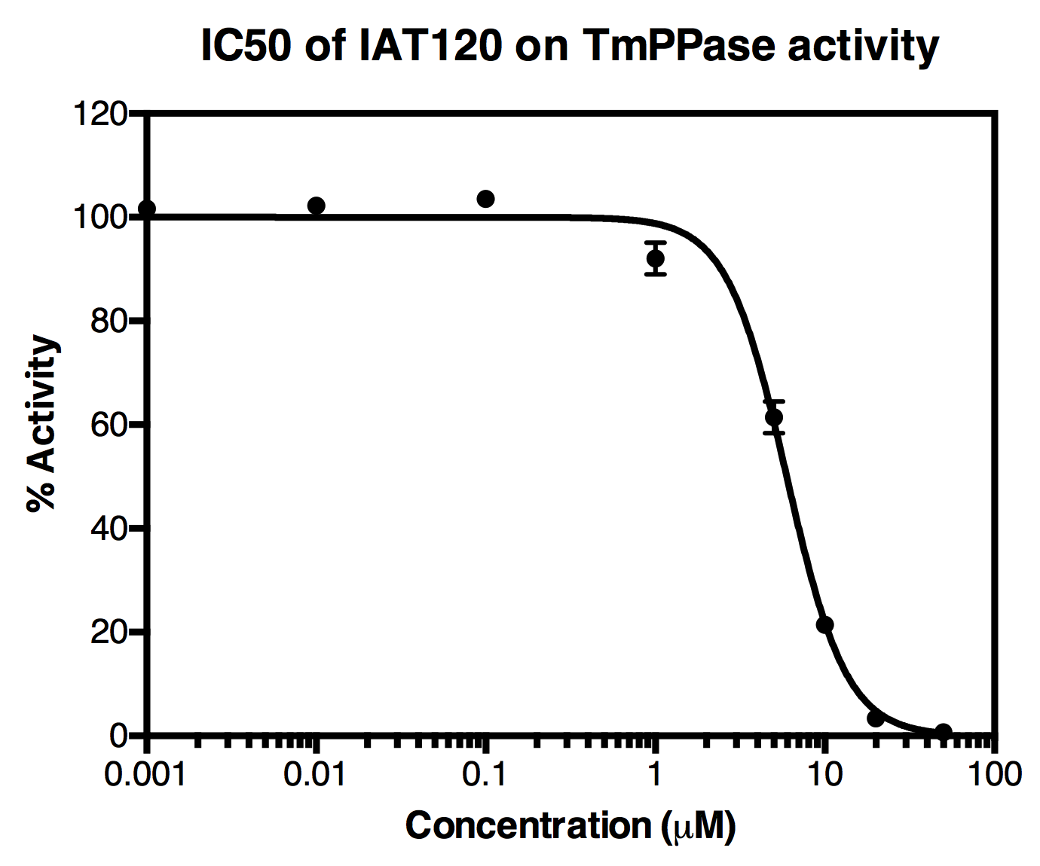
 |  |  |  |  |  |  |  |  |  |  |  |  |  |  |  |  |  |  |  |  |  |  |  |  |  |  |  |  |  |  |  |  |  |  |  |  |  |  |  |  |  |  |  |  |  |  |  |  |  |  |  |  |  |  |  |  |  |  |  |  |  |  |  |  |  |  |  |  |  |  |  |  |  |  |  |  |  |  |  |  |  |  |  | Log Conc | IAT120 | x1 | x2 | x3 | avg | stdev |  |  |  |  |  |  |  |  |  | IAT-120
 |  |  |  |  |  |  |  |  |  |  |  |  |  |  |  |  |  |  |  |  |  |  |  |  |  |  |  |  |  |  |  |  |  |  |  |  |  |  |  |  |  |  |  |  |  |  |  |  |  |  |  |  |  |  |  |  |  |  |  |  |  |  |  |  |  |  |  |  |  |  |  |  |  |  |  |  |  |  |  |  |  |  |  | -3 | 0.001 | 102.25440536 | 101.32339302 | 8.4147820504 | 101.78889919 | 0.65832514051 |  |  |  |  |  |  |  |  |  | LogIC50 |  | : 0,7745±0,01192 uM
 |  |  |  |  |  |  |  |  |  |  |  |  |  |  |  |  |  |  |  |  |  |  |  |  |  |  |  |  |  |  |  |  |  |  |  |  |  |  |  |  |  |  |  |  |  |  |  |  |  |  |  |  |  |  |  |  |  |  |  |  |  |  |  |  |  |  |  |  |  |  |  |  |  |  |  |  |  |  |  |  |  |  |  | -2 | 0.01 | 101.33409431 | 102.5754441 | 102.65035314 | 102.18663052 | 0.73926742657 |  |  |  |  |  |  |  |  |  | IC50 |  | : 5,95 uM
 |  |  |  |  |  |  |  |  |  |  |  |  |  |  |  |  |  |  |  |  |  |  |  |  |  |  |  |  |  |  |  |  |  |  |  |  |  |  |  |  |  |  |  |  |  |  |  |  |  |  |  |  |  |  |  |  |  |  |  |  |  |  |  |  |  |  |  |  |  |  |  |  |  |  |  |  |  |  |  |  |  |  |  | -1 | 0.1 | 102.58614539 | 105.26146822 | 102.84297639 | 103.56353 | 1.4760542616
 |  |  |  |  |  |  |  |  |  |  |  |  |  |  |  |  |  |  |  |  |  |  |  |  |  |  |  |  |  |  |  |  |  |  |  |  |  |  |  |  |  |  |  |  |  |  |  |  |  |  |  |  |  |  |  |  |  |  |  |  |  |  |  |  |  |  |  |  |  |  |  |  |  |  |  |  |  |  |  |  |  |  |  | 0 | 1 | 94.132125276 | 93.479346508 | 88.492544767 | 92.034672184 | 3.0848873573
 |  |  |  |  |  |  |  |  |  |  |  |  |  |  |  |  |  |  |  |  |  |  |  |  |  |  |  |  |  |  |  |  |  |  |  |  |  |  |  |  |  |  |  |  |  |  |  |  |  |  |  |  |  |  |  |  |  |  |  |  |  |  |  |  |  |  |  |  |  |  |  |  |  |  |  |  |  |  |  |  |  |  |  | 0.69897000434 | 5 | 64.243418706 | 61.835628166 | 58.143682671 | 61.407576514 | 3.072314451
 |  |  |  |  |  |  |  |  |  |  |  |  |  |  |  |  |  |  |  |  |  |  |  |  |  |  |  |  |  |  |  |  |  |  |  |  |  |  |  |  |  |  |  |  |  |  |  |  |  |  |  |  |  |  |  |  |  |  |  |  |  |  |  |  |  |  |  |  |  |  |  |  |  |  |  |  |  |  |  |  |  |  |  | 1 | 10 | 21.577370336 | 20.068488264 | 22.701005921 | 21.448954841 | 1.3209486017
 |  |  |  |  |  |  |  |  |  |  |  |  |  |  |  |  |  |  |  |  |  |  |  |  |  |  |  |  |  |  |  |  |  |  |  |  |  |  |  |  |  |  |  |  |  |  |  |  |  |  |  |  |  |  |  |  |  |  |  |  |  |  |  |  |  |  |  |  |  |  |  |  |  |  |  |  |  |  |  |  |  |  |  | 1.3010299957 | 20 | 3.5992009703 | 2.9785260755 | 3.5242919312 | 3.367339659 | 0.33879911905
 |  |  |  |  |  |  |  |  |  |  |  |  |  |  |  |  |  |  |  |  |  |  |  |  |  |  |  |  |  |  |  |  |  |  |  |  |  |  |  |  |  |  |  |  |  |  |  |  |  |  |  |  |  |  |  |  |  |  |  |  |  |  |  |  |  |  |  |  |  |  |  |  |  |  |  |  |  |  |  |  |  |  |  | 1.6989700043 | 50 | 0.58143682671 | 0.53863166155 | 0.93457943925 | 0.68488264251 | 0.21730034116

